Gauss Seidel 2x2
 |  |  | i
 |  |  | 0 | x = | 0
 |  |  |  | y = | 0
 |  |  | 1 | x = | 0.125
x | y |  |  | y = | 0.013211382113
16 | 2.5 | 2 | 2 | x = | 0.12293572154
1.341463415 | 63 | 1 |  | y = | 0.013255336939
 |  |  | 3 | x = | 0.1229288536
 |  |  |  | y = | 0.013255483178
 |  |  | 4 | x = | 0.12292883075
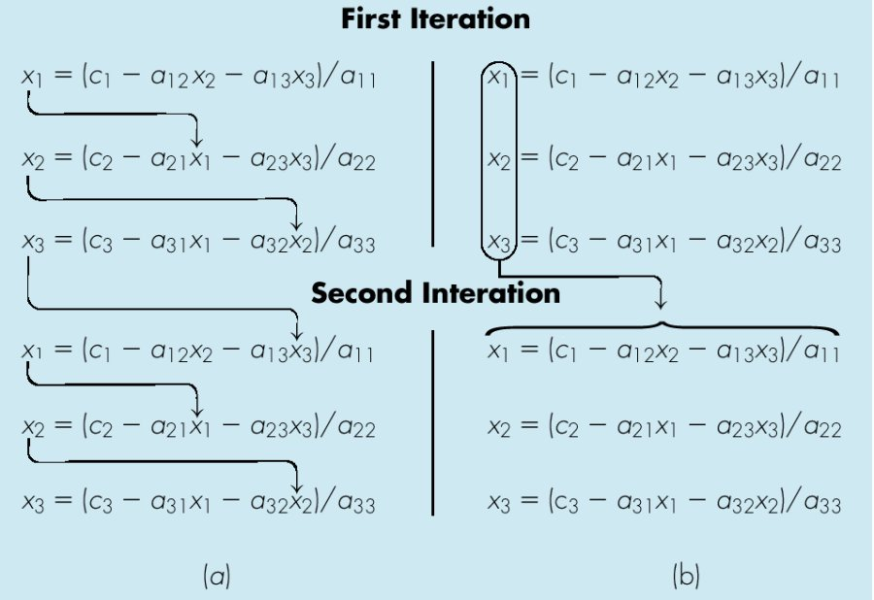
 |  |  |  | y = | 0.013255483665
 |  |  | 5 | x = | 0.12292883068
 |  |  |  | y = | 0.013255483667
 |  |  | 6 | x = | 0.12292883068
 |  |  |  | y = | 0.013255483667
 |  |  | 7 | x = | 0.12292883068
 |  |  |  | y = | 0.013255483667
 |  |  | 8 | x = | 0.12292883068
 |  |  |  | y = | 0.013255483667
 |  |  | 9 | x = | 0.12292883068
 |  |  |  | y = | 0.013255483667
 |  |  | 10 | x = | 0.12292883068
 |  |  |  | y = | 0.013255483667
 |  |  | 11 | x = | 0.12292883068
 |  |  |  | y = | 0.013255483667
 |  |  | 12 | x = | 0.12292883068
 |  |  |  | y = | 0.013255483667

